Sheet1
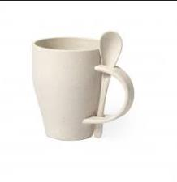
Picture | Item code | Description | Extra information | Restriction | Stock | Sales price EXW | Retail price | Barcode | Quantity PU | Quantity pallet | Pallet | Origin | Customs code | Item weight | Languages on package | Group
 | S-10151 | cup with spoon TEPLAN natural 400ml | 6549013000 | no sales in europe | 7528 | 0.29 |  |  | 48 | 3168 | Chep pallet 120x100 | CN | 39241000 | 90 |  | cup with spoon TEPLAN natural 400ml

